When&HowtoUse
 |  | Six Sigma STEPS

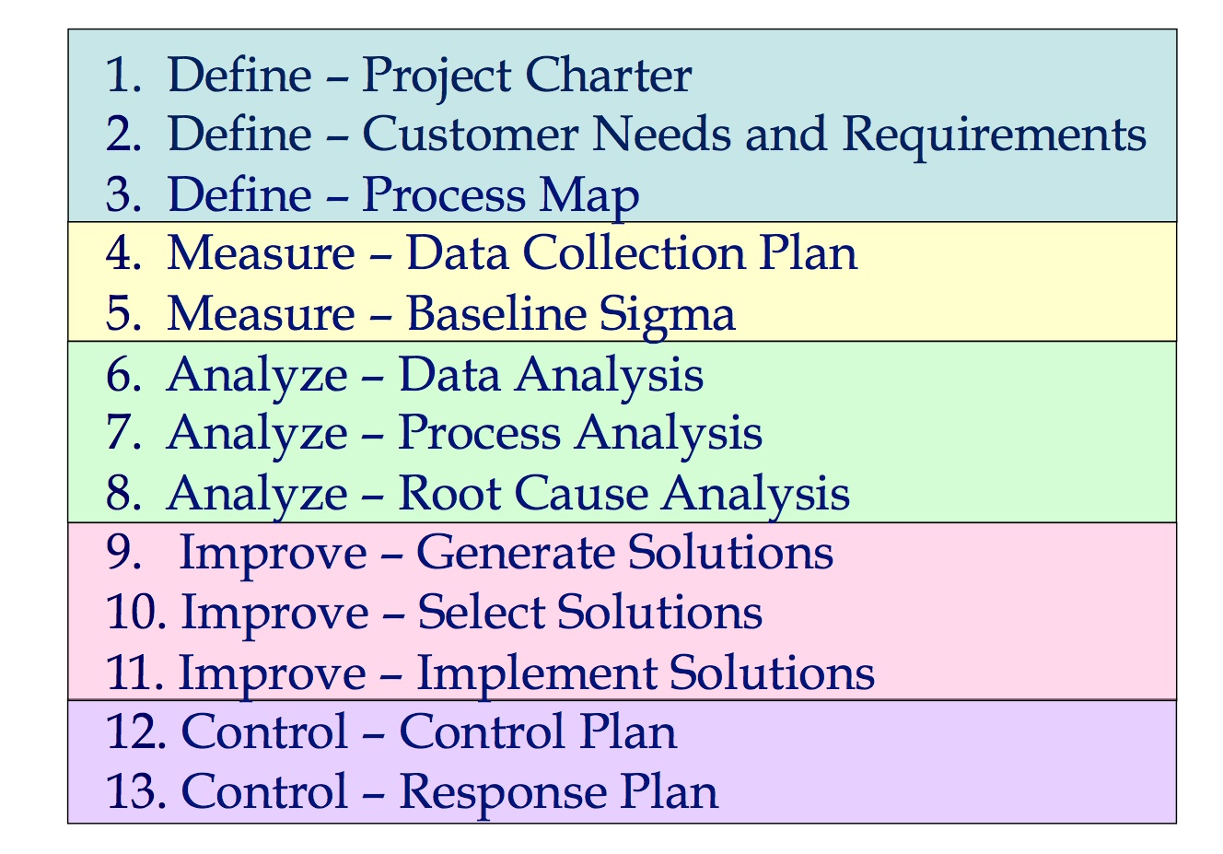
Gravity – This attribute should be analyzed based on the intensity or impact that the problem can generate if not solved. These “damages” can be evaluated qualitatively or quantitatively. A serious problem could lead to the company’s bankruptcy, losing important clients, or even in damage to the organization’s public image. The gravity scale varies from 1 to 5 as follows:
1. not serious | Wipro Project Charter
2. mildly serious
3. serious
4. very serious | Define Goal % of Reduction
5. extremely serious
 | SIPOC
Urgency – This attribute should be analyzed based on the pressure of the timeline you’re under to fix the situation. Basically, it considers how much time you have to resolve a certain problem. Deadlines defined by law or client response times may be considered urgent problems. The urgency scale varies from 1 to 5 as follows:
1. can wait | DefectDensitySheet
2. not very urgent
3. urgent, calls for short-term attention
4. very urgent
5. calls for immediate action
 | CEP
Tendency – This attribute should be analyzed based on a situation’s tendency to get wors as it evolves, and at what rate. You should consider how a problem will develop without effective action to resolve it. It represents the problem’s potential for growth; the probability that it’ll turn into a bigger problem with time.
1. won’t change
2. will get worse eventually
3. will get worse within a reasonable timeframe | GUT MATRIX
4. will get worse short-term
5. will get worse very quickly
- See more at: http://blog.luz.vc/en/concepts/what-is-a-gut-gravity-urgency-and-tendency-priority-matrix-and-how-to-build-one/#sthash.dbHM52IA.dpuf

Step 1 – List your problems

Step 2 – Classify your problem in each of the three problem variables (Gravity, Urgency, and Trend)

Step 3 – Rank your problems from biggest to smallest (by multiplying the scores given in each variable, for each problem)

Step 4 – Analyze your points of weakness (highest ranked problems)

Step 5 – Create a plan of action with reasonable deadlines and assign someone responsible to solve or mitigate the problem.
- See more at: http://blog.luz.vc/en/concepts/what-is-a-gut-gravity-urgency-and-tendency-priority-matrix-and-how-to-build-one/#sthash.dbHM52IA.dpuf

GUT
id | Status | Date Opened | Date Closed | Activity desription | Gravity | Urgency | Tendency | SUM | Comments | GUT:
 |  |  |  | Agile Knowledge(example) | 2 | 3 | 2 | 7 |  | G= 1 para ocorrências de baixa gravidade e G=5 para ocorrências grave;
 |  |  |  | Team Seniority(example) | 2 | 2 | 3 | 7 |  | U= 1 para baixa urgência e U= para alta urgência de solução
 |  |  |  | Technical Debt(example) | 3 | 4 | 5 | 12 |  | T= 1 a situação não irá piorar se nada for feito e T=5 a situação irá ficar muito pior se nada for feito.
 |  |  |  | Code Coverage(example) | 1 | 1 | 4 | 6

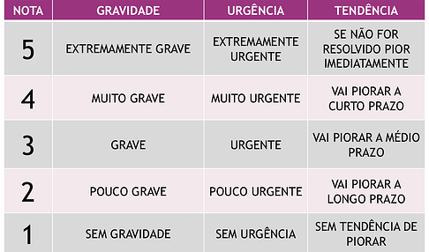

GUT Matrix Trend Line

 |  |  |  |  |  |  |  |  |  | STATUS:

 |  |  |  |  |  |  |  |  |  | C - Created
 |  |  |  |  |  |  |  |  |  | A- Analysed / Action pending
 |  |  |  |  |  |  |  |  |  | O - Ongoing
 |  |  |  |  |  |  |  |  |  | W - Waiting some response / feedback
 |  |  |  |  |  |  |  |  |  | D - Done
 |  |  |  |  |  |  |  |  |  | x-Canceled-F*k

Example
id | Status | Date Opened | Date Closed | Activity desription | Gravity | Urgency | Tendency | SUM | Comments | GUT:
 | C |  |  | Activity 01 - almost no important | 1 | 1 | 1 | 3 |  | G= 1 para ocorrências de baixa gravidade e G=5 para ocorrências grave;
 | A |  |  | Activity 02 - not big important activity | 3 | 1 | 1 | 5 |  | U= 1 para baixa urgência e U= para alta urgência de solução
 | O |  |  | Activity 03 | 5 | 1 | 1 | 7 |  | T= 1 a situação não irá piorar se nada for feito e T=5 a situação irá ficar muito pior se nada for feito.
 | A |  |  | Activity 21 - not big important activity | 1 | 3 | 1 | 5
 | O |  |  | Activity 22 - Urgent and severe activity. | 5 | 5 | 1 | 11
 | D |  |  | Activity 23 - very Urgent and Gravity. And also the Tendency of this is get Worst! | 5 | 5 | 3 | 13

GUT Matrix Trend Line
 | Gravity | Urgency | Tendency
Activity 01 - almost no important | 1 | 1 | 1
Activity 02 - not big important activity | 3 | 1 | 1
Activity 03 | 5 | 1 | 1
Activity 21 - not big important activity | 1 | 3 | 1
Activity 22 - Urgent and severe activity. | 5 | 5 | 1
Activity 23 - very Urgent and Gravity. And also the Tendency of this is get Worst! | 5 | 5 | 3
 |  |  |  |  |  |  |  |  |  | STATUS:

 |  |  |  |  |  |  |  |  |  | C - Created
 |  |  |  |  |  |  |  |  |  | A- Analysed / Action pending
 |  |  |  |  |  |  |  |  |  | O - Ongoing
 |  |  |  |  |  |  |  |  |  | W - Waiting some response / feedback
 |  |  |  |  |  |  |  |  |  | D - Done
 |  |  |  |  |  |  |  |  |  | x-Canceled-F*k

